2
One-NDS (Network Directory Server) is specifically designed and created for mobile telecommunications networks, providing an open central database in compliance with the X.500 and LDAP standards for a data directory system. In addition, One-NDS aligns and supports the 3GPP User Data Convergence Standard for the Unified Data Repository element of the latest Mobile Broadband networks.
The fundamental aim of the One-NDS architecture is support for the decoupling of application logic and data. Subscription and service data located in the directory are made available to all other applications for query and update on a controlled and secure basis. This separation of the data from the application and the provision of an open external interface to that data, removes the problem of platform and application-specific 'closed-data' scenarios prevalent in many network deployments. To complement this aspect of the data less application, the One-NDS also provides robustness and reliability equal to that experienced with siloed database systems.

Architecture:
The primary task of One-NDS is to serve application FEs in accessing common customer subscriber data.
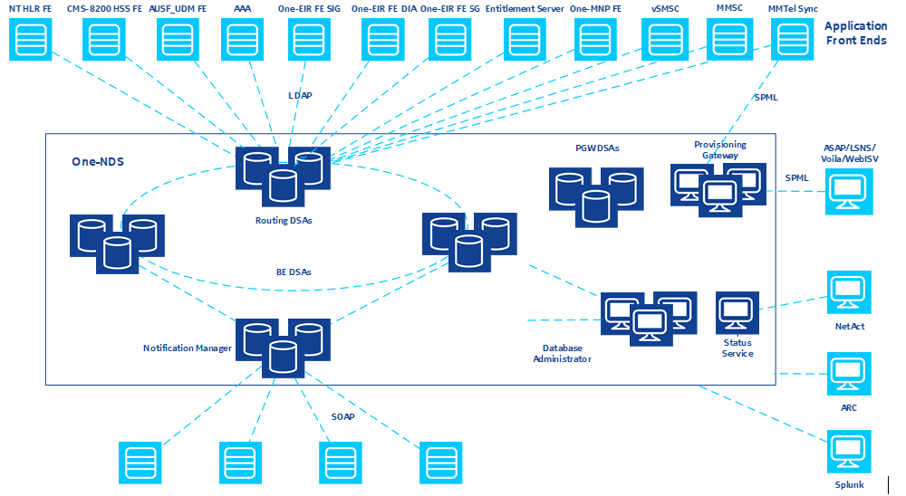 | SPML | SOAP
One-NDS components (business function) consist of: • Directory services: the core of One-NDS. The overall design criteria are meant to provide access performance that is comparable to local disk access for any application FE, carrier grade performance and availability, and flexible data access for the service delivery applications. • Provisioning: describes how data can be managed in the directory based on commands presented by an external entity, such as a provisioning sub-system. • Directory management: consists of functions specific to the operation of a common subscriber data repository. • Operation and administration management: One-NDS is designed to reduce operator effort by providing management functions to support rapid, error-free handling of updates, upgrades, and failures of individual components, while continually maintaining end-user services.
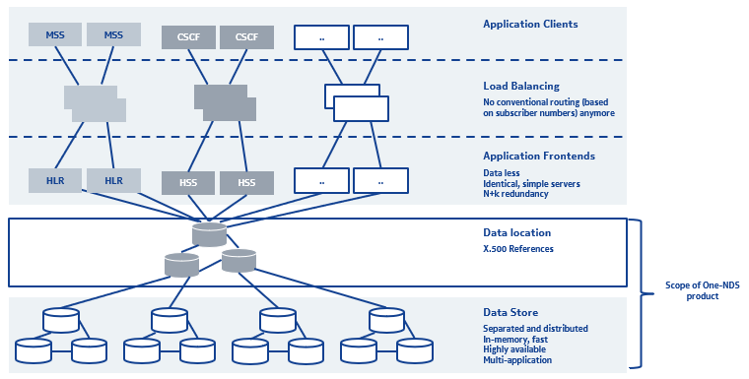

The main components of One-NDS are: The core One-NDS directory system agents (DSA) of which there are two types, namely • Routing DSA (R-DSA) • Back-End DSAs (BE-DSA) • PGW-DSA (Notification Manager - NTF) • Provisioning Gateway (PGW) • One-NDS Administrator (ADM) • Install Server (INS) • Status Service (SS) OAM integration via generic agents to NetAct

Routing DSA: Stores mainly references to subscriber data, in order to achieve fast access to the data and appears to be the ‘subscriber directory’ to all applications. • Typically distributed over two or three sites • Each Routing DSA node contains the same in-memory directory • Example directory entries are MSISDN, IMSI, SIP address, contract number, etc…

Back End (BE) DSA: A BE-DSA contains subscriber data One BE-DSA comprises three/four nodes each containing the same in-memory directory and is typically distributed over two or three sites Data Partitioning -> • Data is stored in several BE-DSA providing scalability Data Replication -> • Data of each BE-DSA is replicated on several servers in different locations providing geo-redundancy

One-NDS DS modes: Within the DSA the node can have the following modes: Primary The node in the DSA whose directory is authoritative version Responsible for performing all updates on data mastered by the local DSA Secondary (Primary Standby) A secondary node in the DSA who can become the primary if the existing primary fails Secondary Any other node in the DSA

ADM (ADministration Manager): ADM is the central point for the management and configuration of One-NDS Directory administration functions must be provided for One-NDS that support the OAM of the distributed DSs in the One-NDS Directory. These functions include: Configuring the routing/BE DSAs, configuring PGW and NTF, schema management and One-NDS Directory reorganization. The directory administration of DSs is not directly performed from the NMS. Instead, the functions are provided by the ADM over the ADM GUI which can be launched from the NAC Client The ADM fault management is integrated in the NetAct fault management and shell access (SSH) from NetAct to ADM is supported.

PGW (Provisioning Gateway): • Provides a unified provisioning/management point for the connections from/to provisioning clients and One-NDS • Provides a service-oriented interface for provisioning of subscribers and global service data (SPML interface) • Support of following features and functionalities: Data validation and default value insertion Mass provisioning Error handling Responses management Congestion control Multi tenancy • Implicit support of transactions (1 SPML request = 1 transaction) • Designed for high-performance and high throughput • Flexible architecture – easily to extend, easily to adapt due to changes in the data model and to introduction of new applications • It can support multiple applications and their versions in parallel
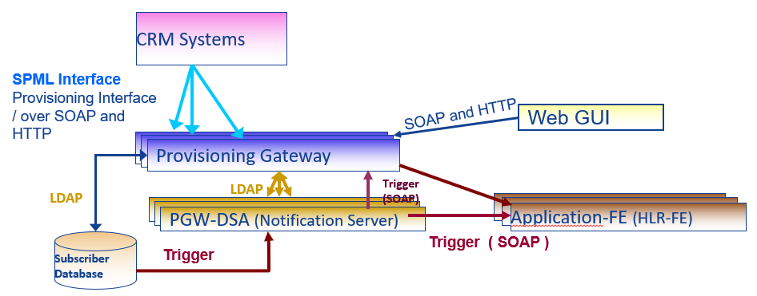

PGW DSA : Subscriber object distribution: The configuration block (CFG) is responsible for the distribution of subscriber objects being created. If a new subscriber object is created, the CFG must be addressed to determine the BE DSA to contact The CFG implements a best-effort mechanism to distribute the subscriber objects between the different DSAs. For this purpose, the selection criteria are defined in the CFG to indicate which BE DSA should be used for adding new objects to If the DN within an LDAP AddRequest message matches a CFG object class, the CFG either randomly selects a DSA or uses the alias object name to determine the mastered-by attribute of the object being added PGW configuration data storage: It is located in a separate branch of the directory and is independent from the CFG data
Provisioning Gateway: Central server for provisioning of C-NTDB via batch files, SPML / SOAP / HTTP or Web-GUI No DSA architecture. Provisioning Gateway DSA: Configuration Storage for PGW configuration data Notification Server (configured per default) DSA architecture.

Notification Manager (NTF): Notification distribution interface is a SOAP interface for distributing notifications between NTF and application FE servers, routing/BE-DSA or PGW It is the only point of contact for external network components to request and receive notifications from One-NDS Based on a SOAP server, Notification Server supports point-to-point and point-multipoint communication Registration requests are received from the application FEs and forwarded as application FE registration information to the Routing DSA It stores the registration information from different application front ends in One-NDS NTF can send trigger configuration messages to the Routing DSAs

Status Service: The purpose of Status Service is to report the fault( Alarms) and performance( Counters) data from different components of One-NDS to the NMS system.

3
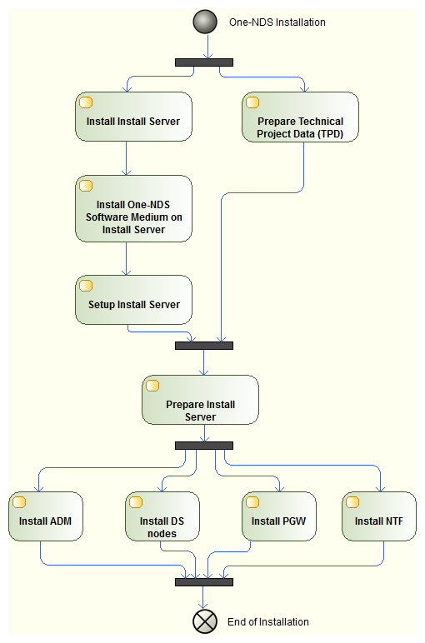 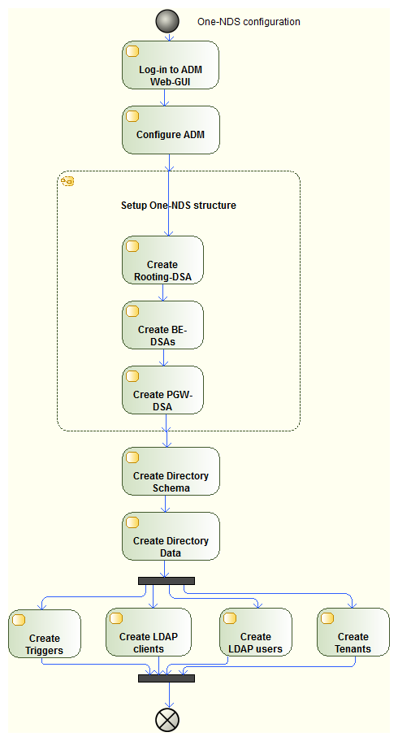
PGW – SPML Batch Request ( Bulk Interface)
SPML-XML requests are written into a batch file Maximum 50,000 requests can be put in a single SPML file Any PGW instances pick input files from the inbox in a round robin manner. A PGW instance executes a batch request completely and does not load share with other instances/PGW hosts. For a batch request with processing=sequential, each sub-request in the batch request is executed one after another, while for processing=parallel, a set of sub-requests are executed in parallel based on the available resources. One PGW instance can process maximum of 5 batch requests in parallel. Example: If the user pcs-sftp-<TENANT> transfers batchfile.spml into /srv/sftp/smc-sftp-<TENANT>/inbox (of the PGW) the result can be found at /srv/sftp/smc-sftp-<TENANT>/outbox/batchfile.spml.res

PGW – SPML Mass Request/Bulk Request
SPML-XML requests are written into a file Used for mass data modifications like modification/deleting features for all subscribers The PGW bulk master instance picks an input file with this request from inbox and the execution load is shared among all the configured PGW instances. Unlimited number of requests in one SPML file (range: greaterOrEqual/ lessOrEqual) File is transferred to the PGW via SFTP bulkRequest supports two operations: modify and delete. Example: If the user pcs-sftp-<TENANT> transfers bulkfile.mass into /srv/sftp/smc-sftp-<TENANT>/inbox (of the PGW) the result can be found at /srv/sftp/smc-sftp-<TENANT>/outbox/bbulkfile.mass.res

One-NDS DS states
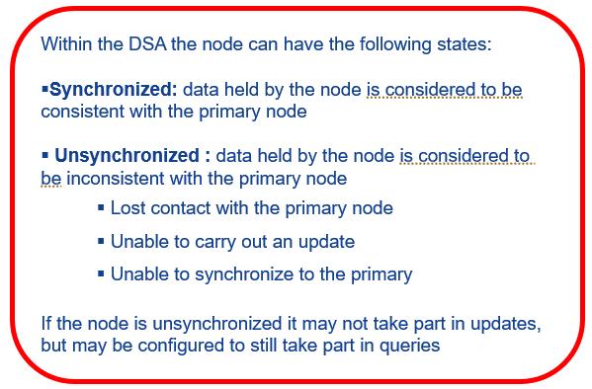
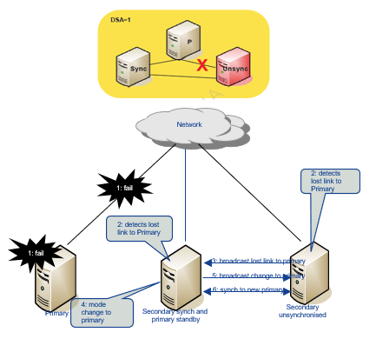

One-NDS node states transition
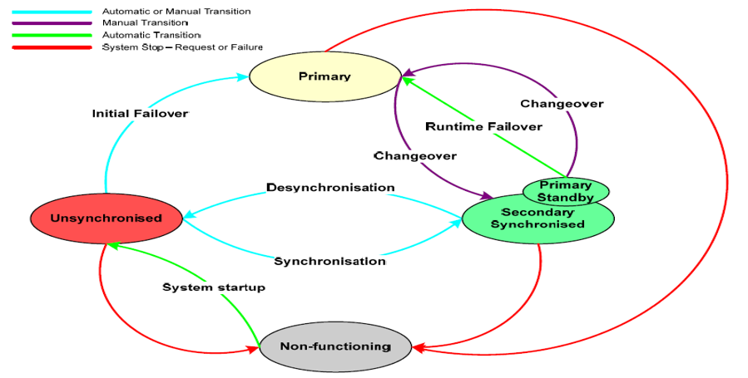

Data Consistency
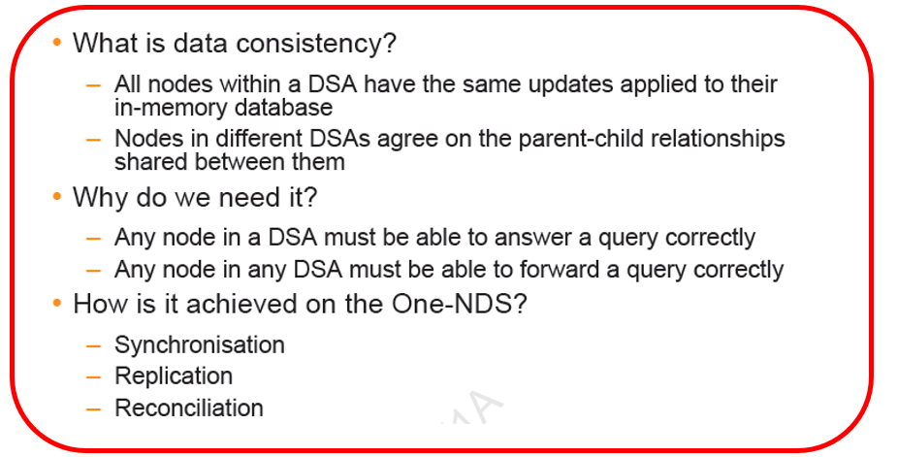

Synchronization
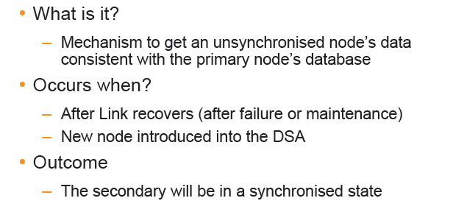

Replication
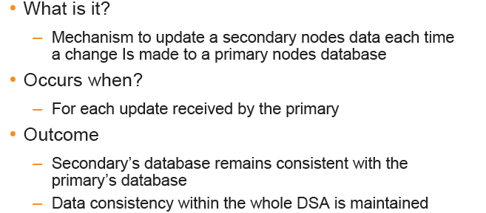

Re-Conciliation
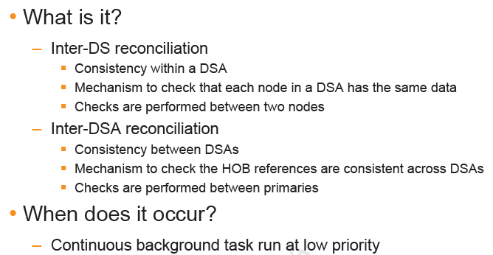

One NDS File System
The One-NDS file system contains multiple types of data, but the most important folder under which we shall find interesting information is /opt/sdf The whole database and the logs are saved periodically on the hard disk. It includes database backups, logs, schemas, journals and memory backups. We can distinguish two main data types: Static: binary files, asn files, configuration data, library data, application data etc Variable: Logs, backup, temporary data, running processes
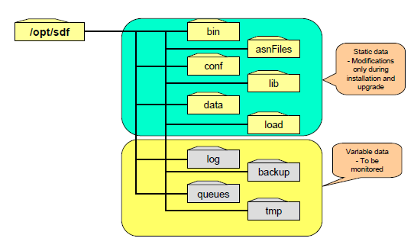

One-NDS Installation

7
Cx interface
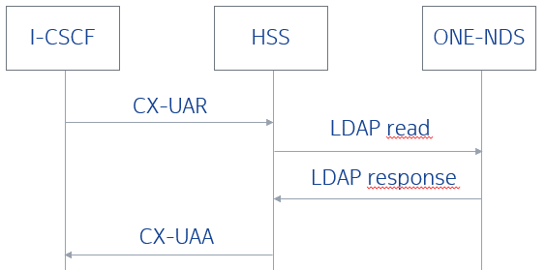 User authorisation request:
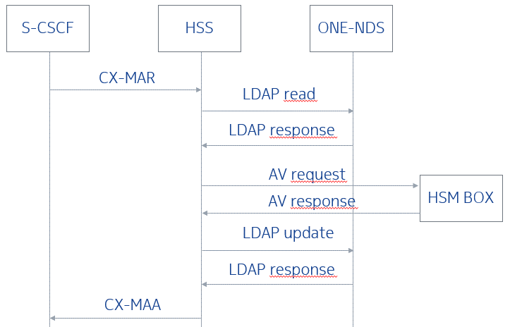 Multimedia auth request:
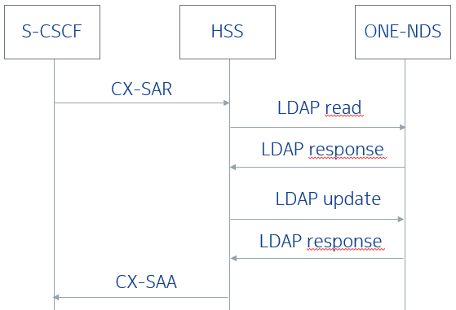 Server Assignment request:
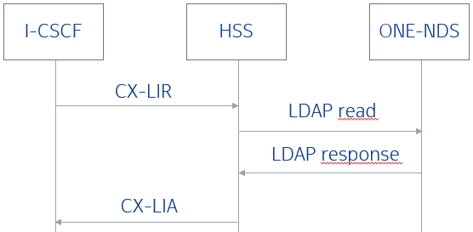 Location Info request:
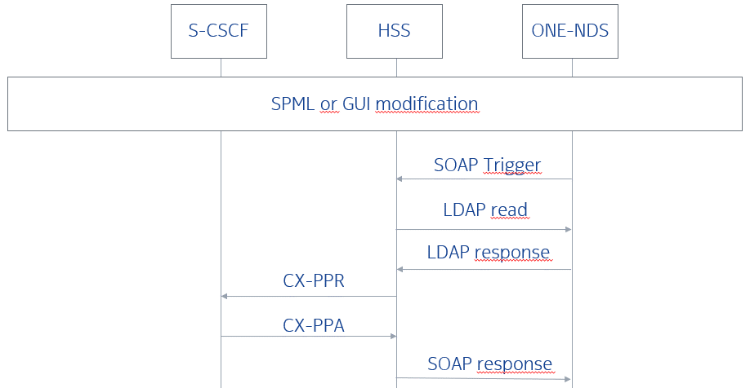 Data modification:
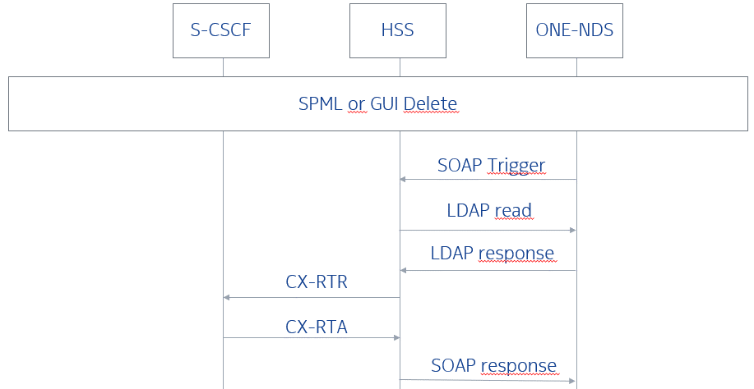 Delete:

S6a/S6d interfaces
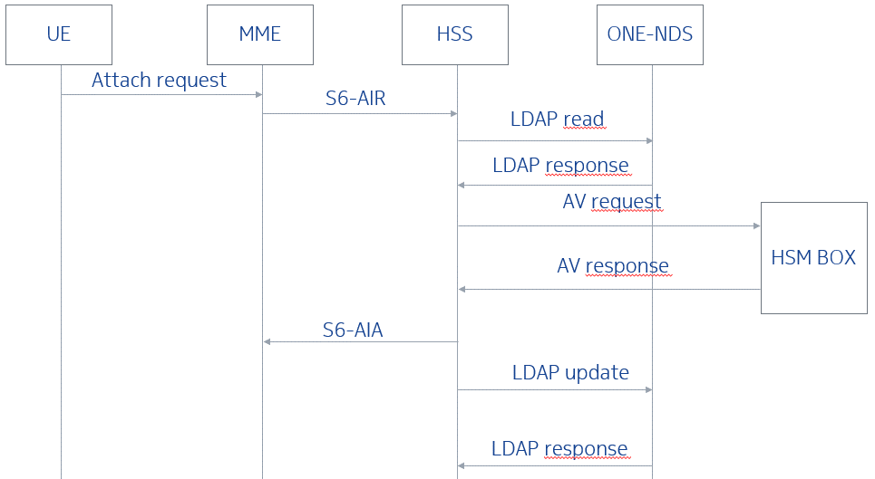 Authentication:
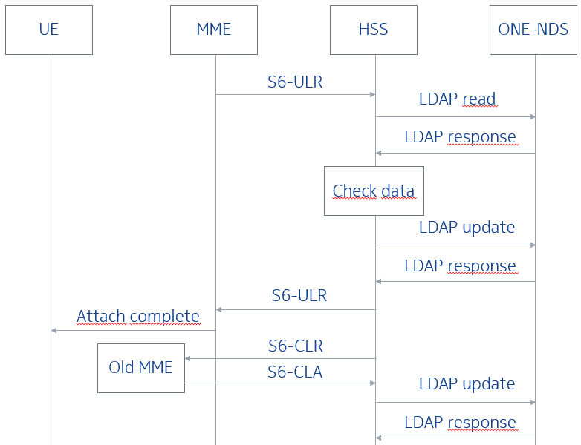 Location management:
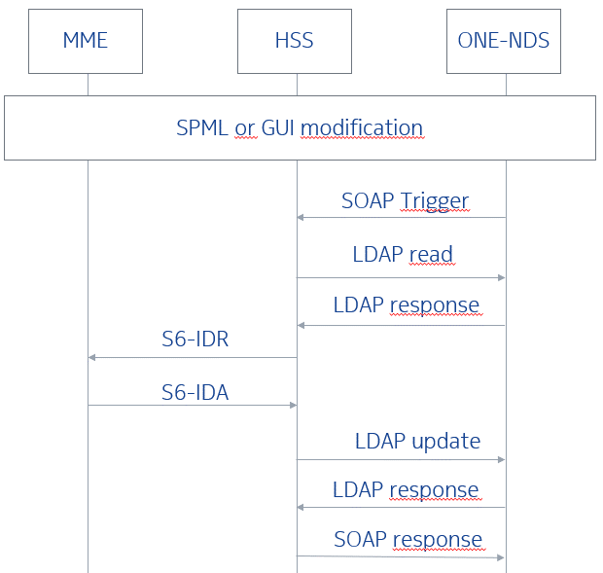 Data modification:
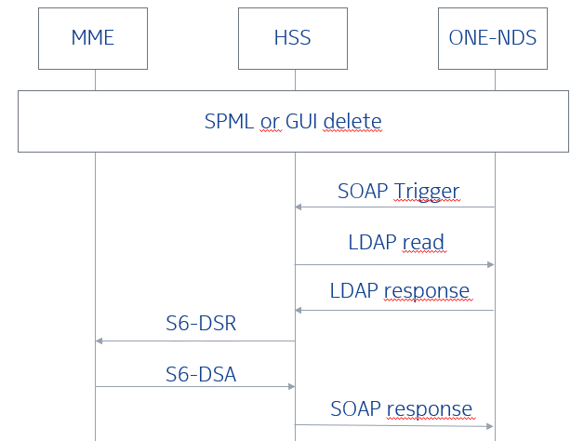 Delete:
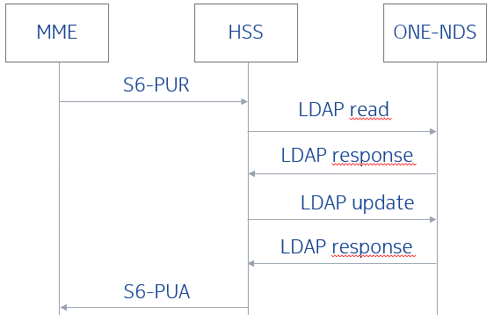 Purge:
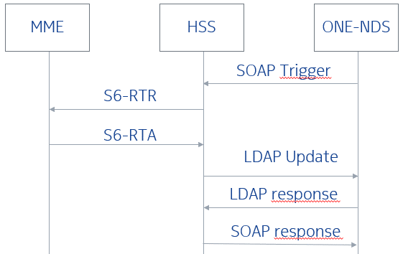 Reset:
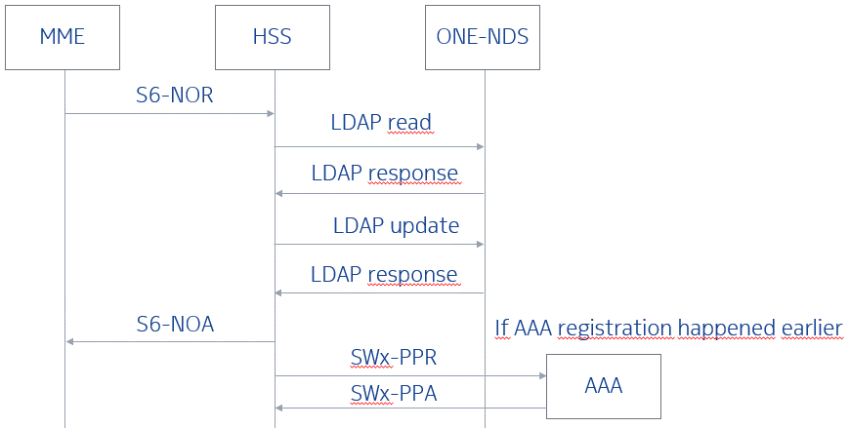 Notify Request:

SH interface
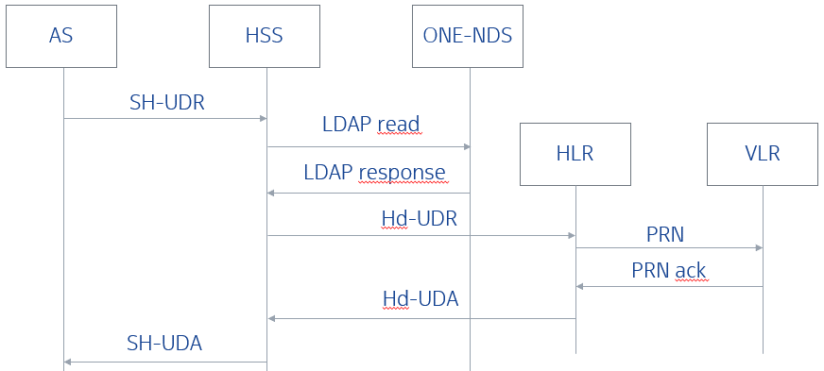 User data request:
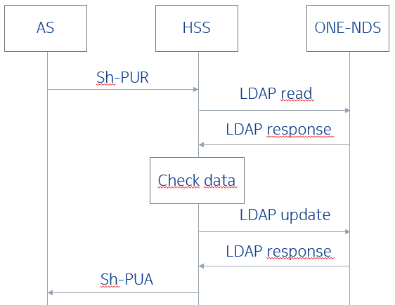 Profile update request:
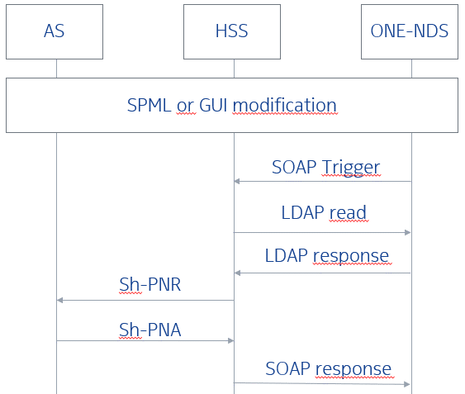 Data modification:
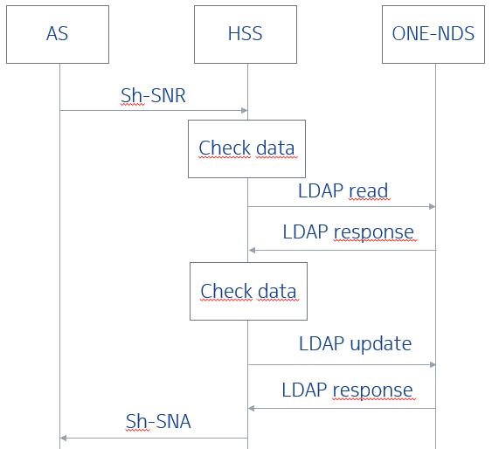 Subscribe Notification request:

SWx interface
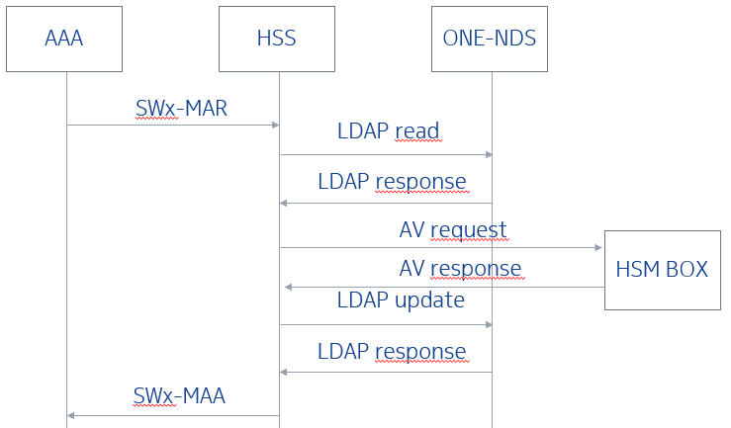 Authentication:
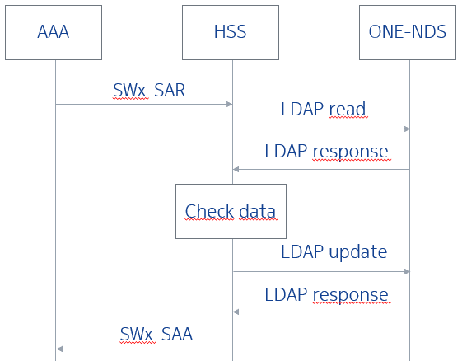 Registration:
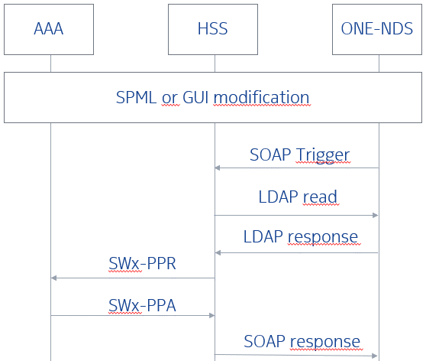 Data modification:
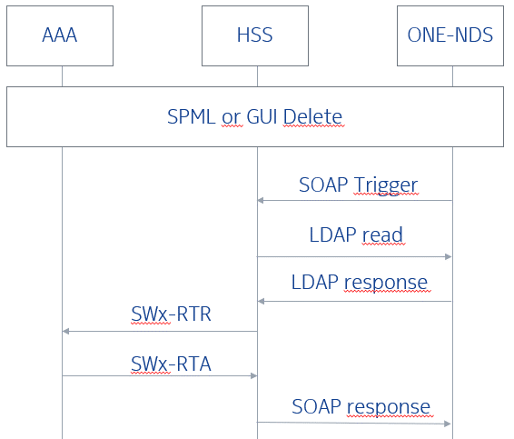 Delete:

